Test Cases
Phases | Test ID | Module | Test Scenario | Test Steps | Expected Result | Error / Negative Tests | Actual Result | Status | Severity | Evidence | Bug ID | Tester Notes | Date Tested | Updated Status | Date Retested
1 | AT-001 | Create Acount | Account Type | 1. Open /account-type. | Account Type page loads correctly. | Refresh repeatedly / open in multiple tabs. | Page remains functional without errors or broken UI. | Pass | High | 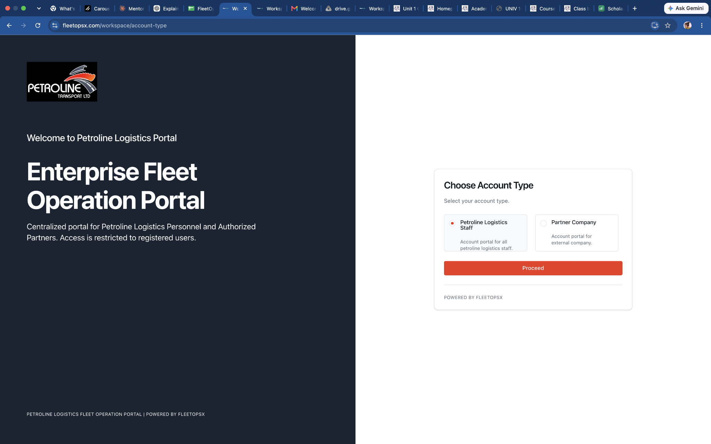 | N/A | Opening link in another tab shows 404 error | 2026-09-03
1 | AT-002 | Create Acount | Staff | 1. Select Petroline Logistics Staff. 2. Click Proceed. | User is taken to the Staff login/authentication flow. | Select Partner Company instead and check whether Staff login is displayed. | User is taken to the Staff login/authentication flow. | Pass | High | 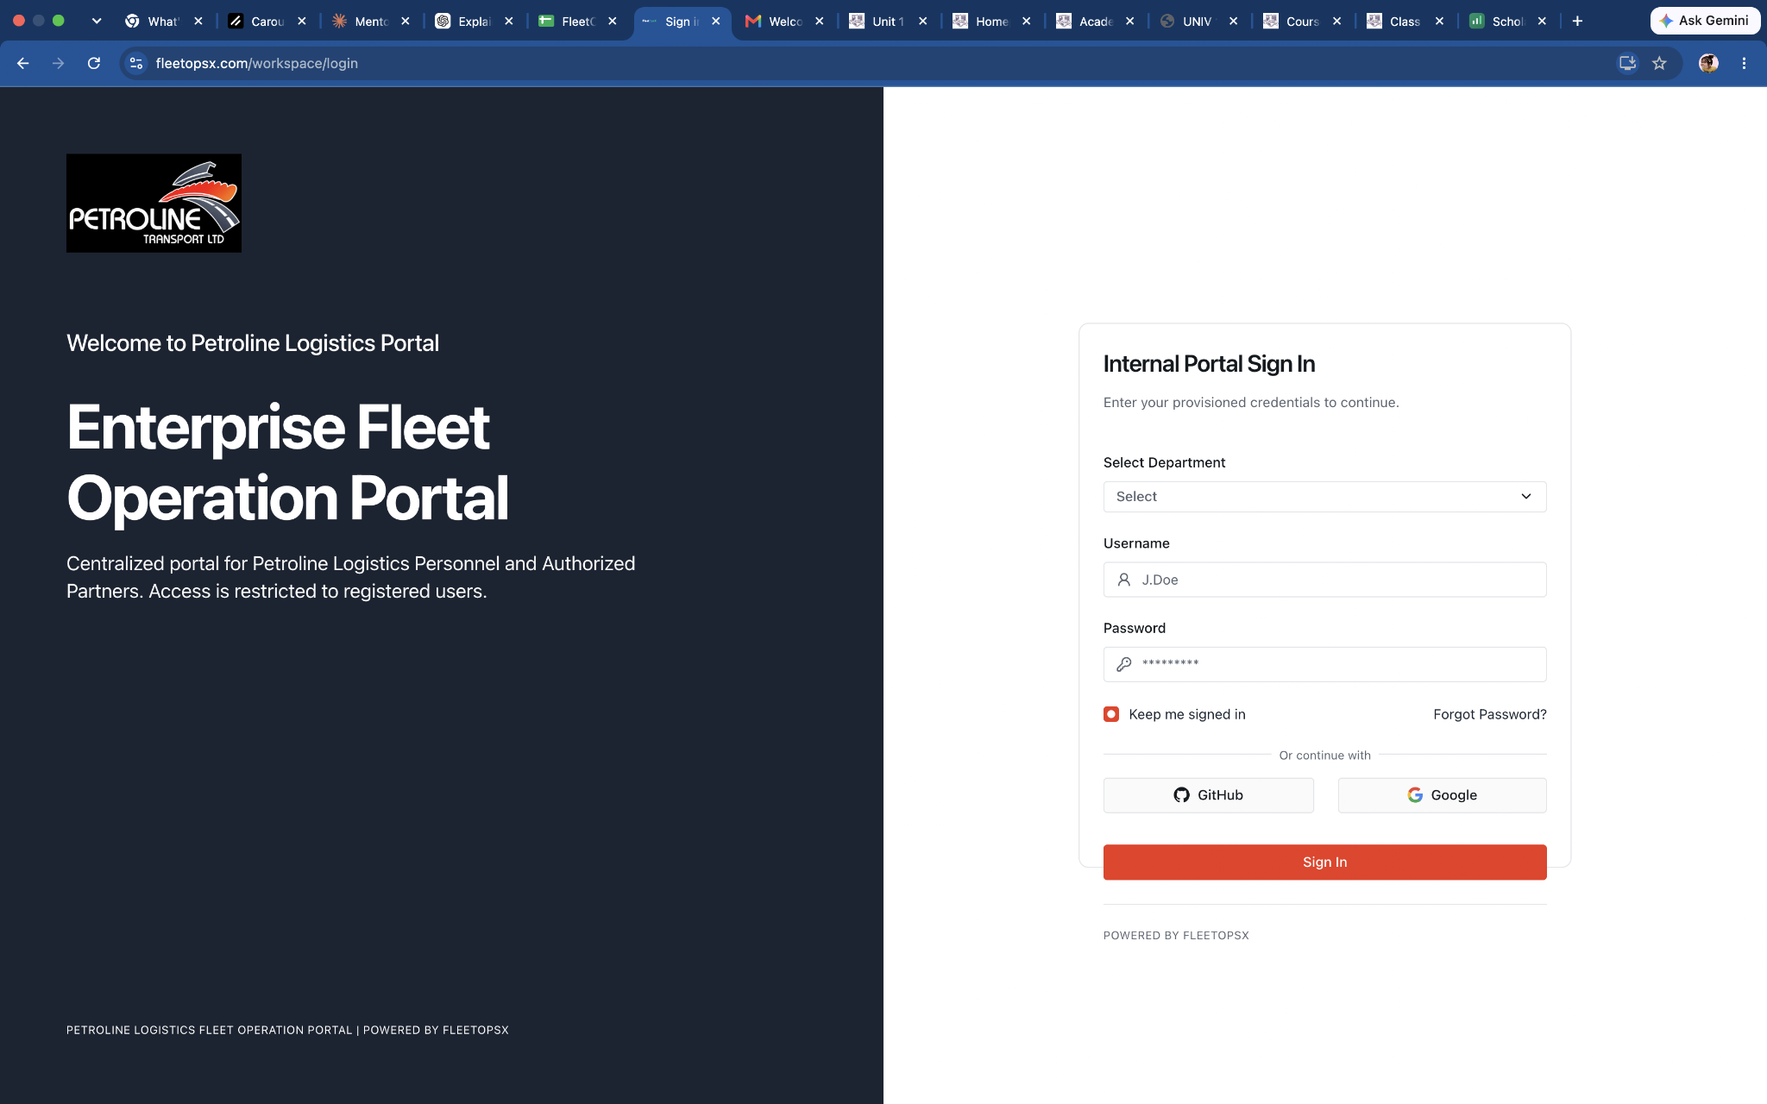 | N/A | System did not mix Staff and Partner authentication flows. User is taken to the Staff login/authentication flow. | 2026-09-03
1 | AT-003 | Create Acount | Partner | 1. Select Partner Company. 2. Click Proceed. | User is taken to Partner Company authentication flow. | Select Staff and verify Partner login is not loaded. | User is taken to Partner Company authentication flow. | Pass | High | 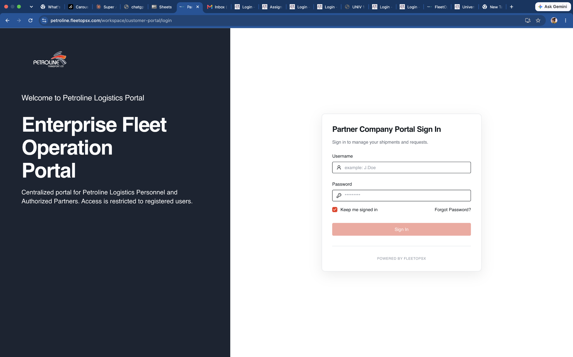 | N/A | User is taken to Partner Company authentication flow. Partner authentication did not appear under Staff selection. There should be a back button. | 2026-09-03
1 | AT-004 | Create Acount | Login | Submit without filling anything | User is prevented from proceeding and prompted to select an account type. | Repeatedly click Proceed without selection. | User is prevented from proceeding and prompted to select an account type. | Pass | High | 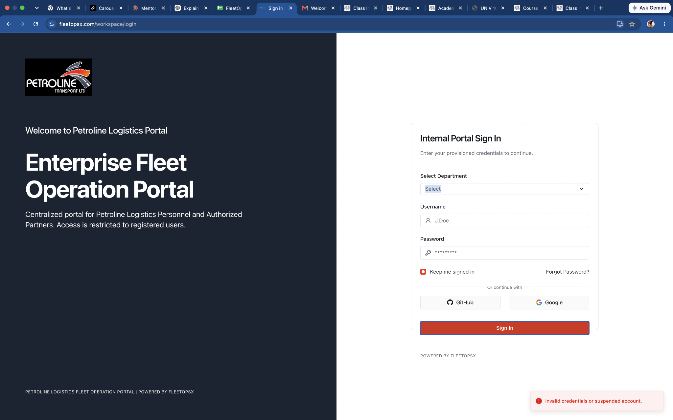 | N/A | Users cannot submit without filling the form | 2026-09-03
1 | AT-005 | Create Acount | Staff isolation | 1. Select Staff. 2. Login with valid staff credentials. | User enters staff workspace according to assigned role | Attempt to use the same session to access Partner Company workspace. | User enters staff workspace according to assigned role. | Pass | Critical | 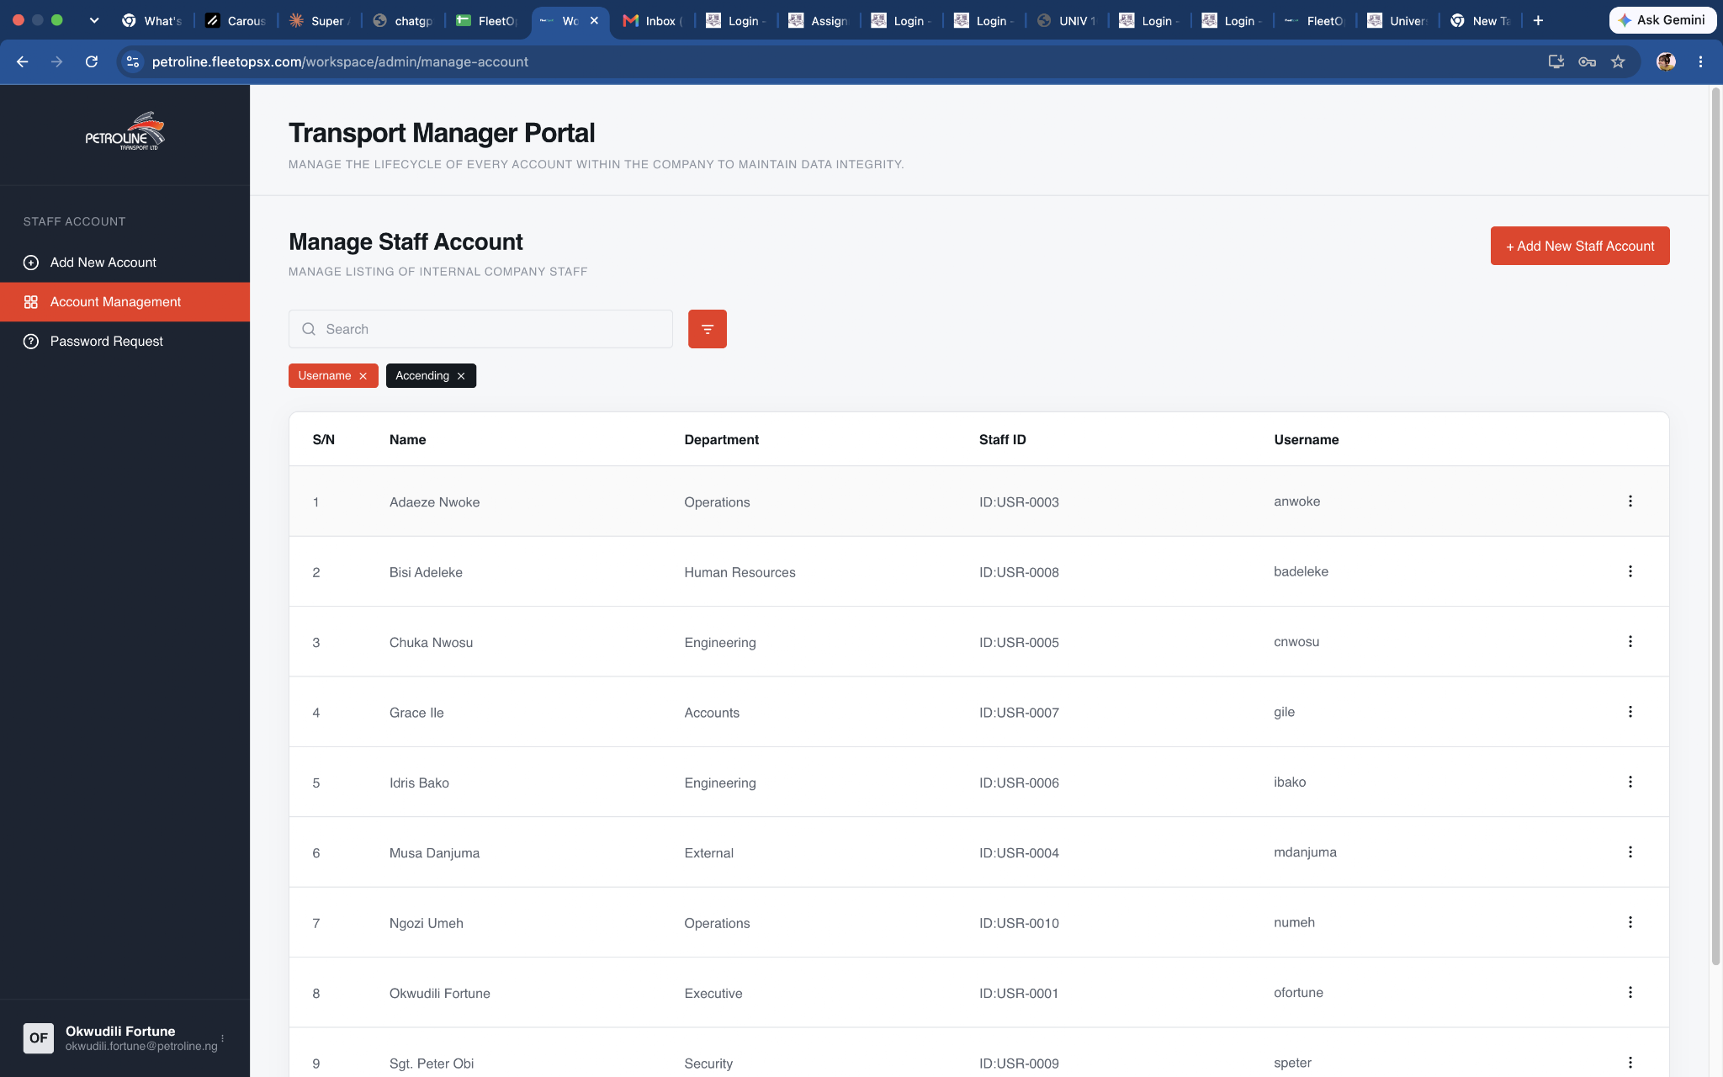 | N/A | User enters staff workspace according to assigned role. | 2026-09-03 | Pass | 2026-09-04
1 | AT-006 | Create Acount | Partner isolation | 1. Select Partner Company. 2. Login with valid partner credentials. | Partner enters external company portal. | Attempt to access internal Petroline workspace URL directly. | Partner login successfully | Pass | Critical | 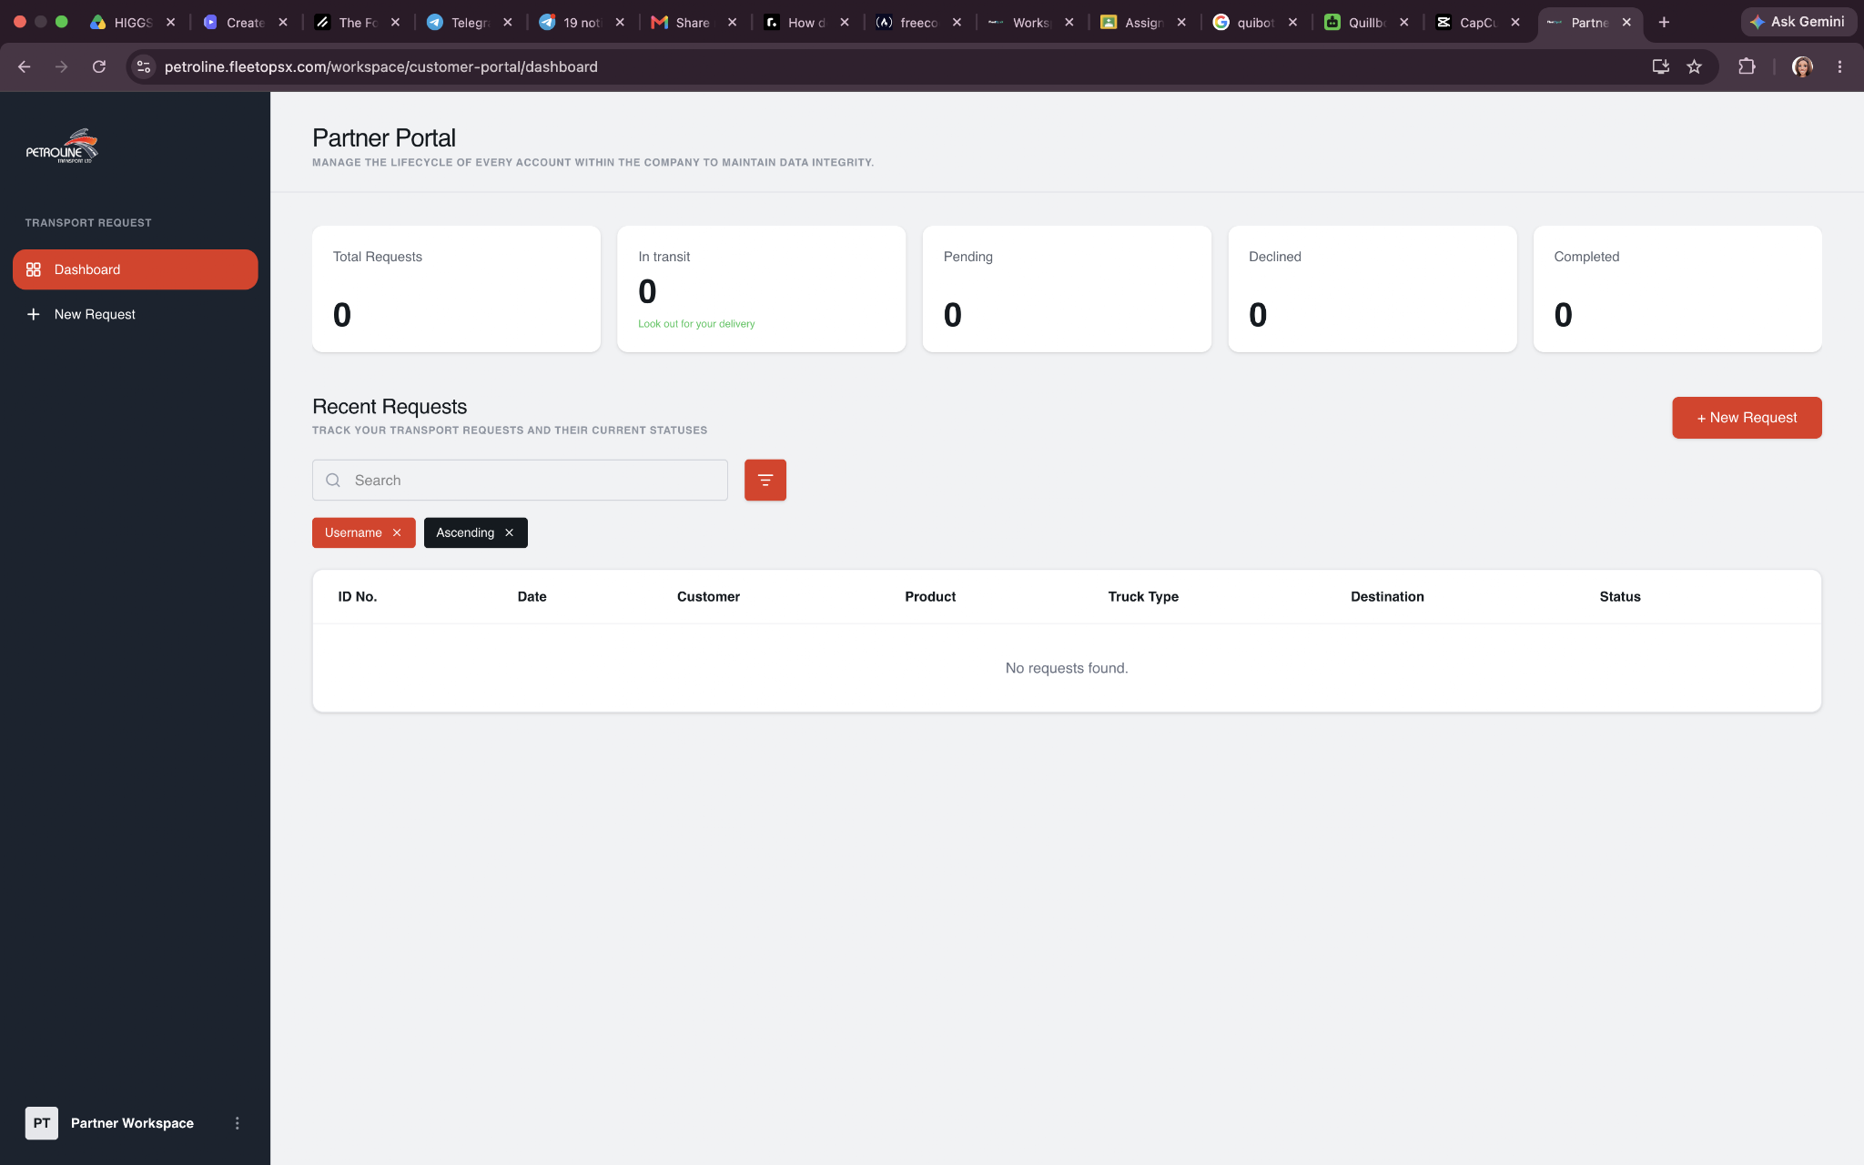 | N/A | Partner was able to login successfully but Attempt to access internal Petroline workspace URL directly and was successful | 2026-09-03
1 | AT-007 | Create Acount | Unauthenticated direct access | 1. Copy a known internal dashboard URL. 2. Open it without logging in. | User is redirected to authentication or denied access. | Attempt direct access repeatedly without authentication. | User is redirected to authentication or denied access. | Fail | Critical |  | BUG-004 | Users was not redirected to authenticated and was given direct access | 2026-09-03
1 | AT-008 | Security | Account-type URL manipulation | 1. Select Staff. 2. Inspect/change URL parameters if present. 3. Attempt to change account type to Partner. | Server validates the account context instead of trusting client-side selection alone. | Change account type parameter manually and continue. | Server validates the account context instead of trusting client-side selection alone.
2 | TC-001 | Customer Portal | Customer Login | Enter valid credentials | Customer dashboard opens | Wrong username/password, empty fields, spaces, very long credentials. | Dashboard opened | Pass | Critical |  | N/A | Login successful | 2026-08-31
2 | TC-003 | Customer Portal | Create New Password | User is prompted to create new password before doing anything | New password is successfully saved. User is allowed to proceed to the dashboard. Temporary password is no longer usable. User can log in using the new password. | Leave the new password blank. Click Submit. | New password is successfully saved. User is allowed to proceed to the dashboard. Temporary password is no longer usable. User can log in using the new password. | Pass | High | 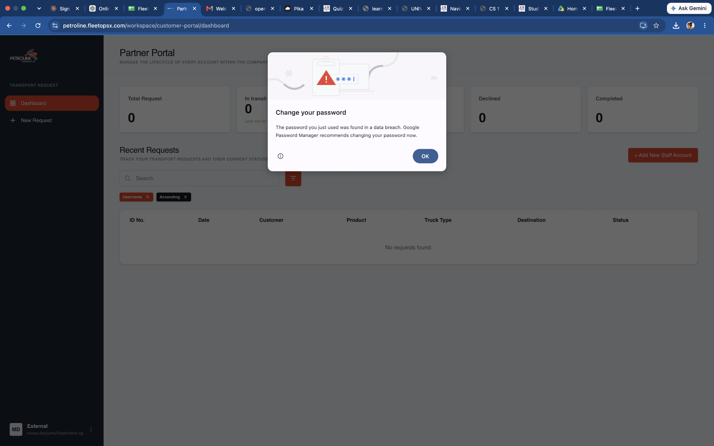 | N/A | User was prompted to change new password | 2026-09-06
2 | TC-004 | Customer Portal | Open Request | Click New Truck Request | Request form opens correctly. | Rapid clicks, refresh, Back/Forward, multiple tabs. | Request open successfully | Pass | Critical | 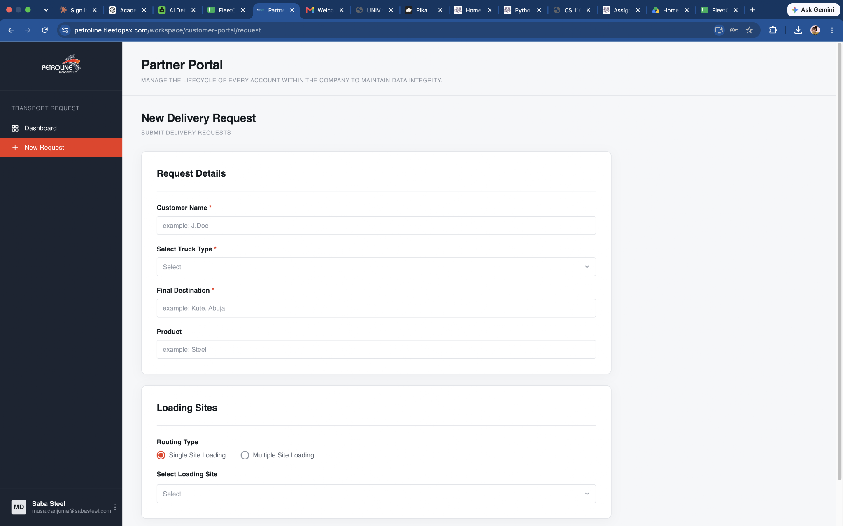 | N/A | Form opened and filled successfully | 2026-09-06
2 | TC-005 | Customer Portal | Truck Type Selection | Test all: Full Semi Flat Side Guide Low Bed | All options are available and selected value remains correct. | Submit without selecting truck type. | All options are available and selected value remains correct. | Pass | Critical | 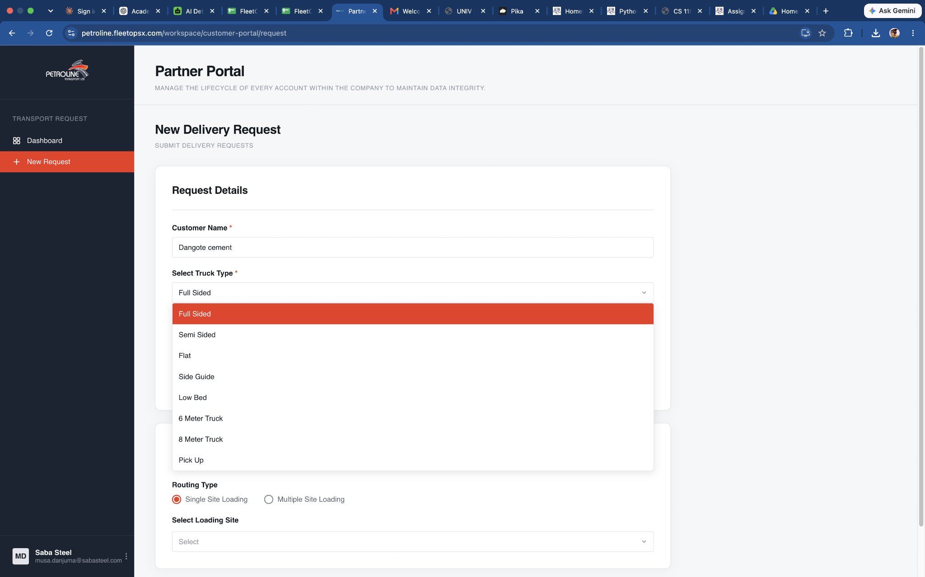 | N/A | All options are available | 2026-09-06
2 | TC-006 | Customer Portal | Customer / Consignee | Customer name is accepted and retained, Destination is accepted and retained. | Fill in customer name | Negative tests: Empty Spaces only Excessive length Invalid characters | Customer name is accepted and retained. Destination is accepted and retained. | Pass | High | 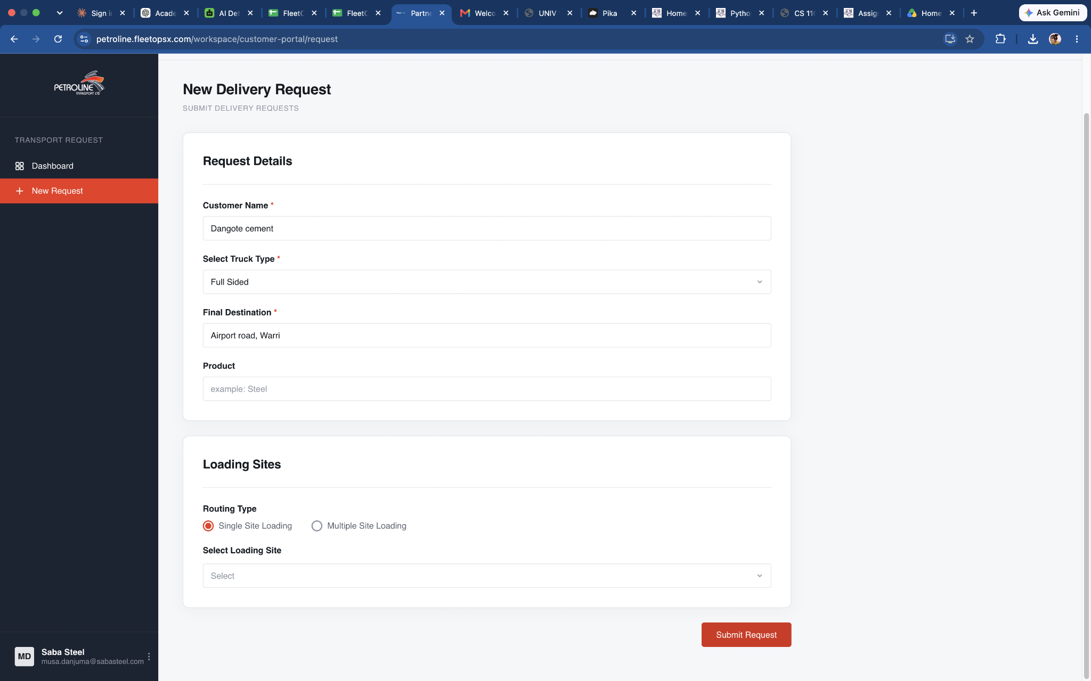 | N/A | Customer name and destination is accepted | 2026-09-06
2 | TC-007 | Customer Portal | Single Site Loading | Select: Single Site Loading | Correct loading site is saved. | Select others and manually fill in site | Destination is accepted and retained | Pass | High | 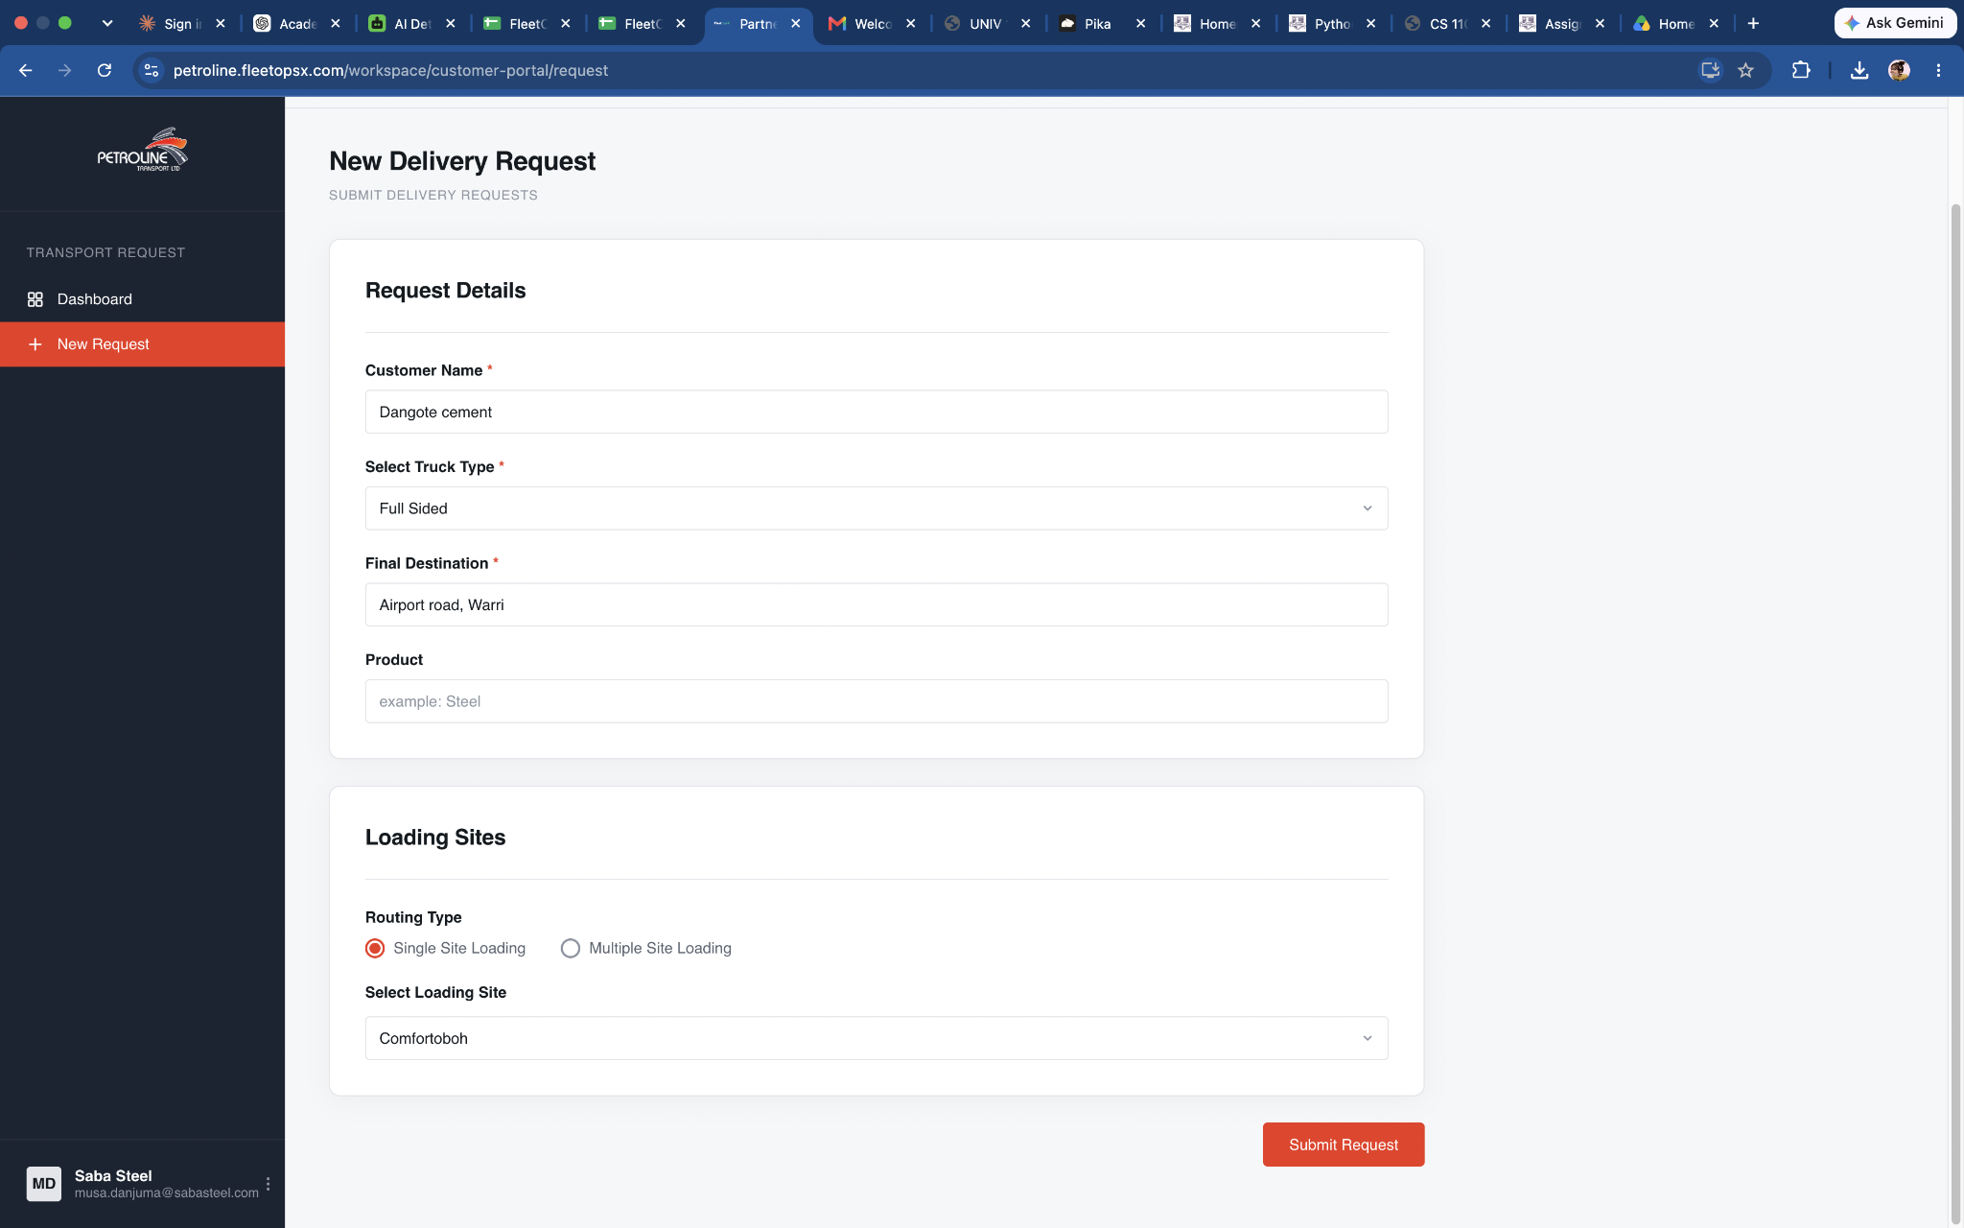 | N/A | Selction of single location successful and filling of custom location also successful | 2026-09-06
2 | TC-008 | Customer Portal | Multiple Site Loading | Test multiple sites such as: Comfortoboh Ijesha.1 Babangida.2 | All selected sites remain correctly saved. | Duplicate site Empty row Remove row Many rows Switch between Single and Multiple | All selected sites remain correctly saved. | Pass | Critical | 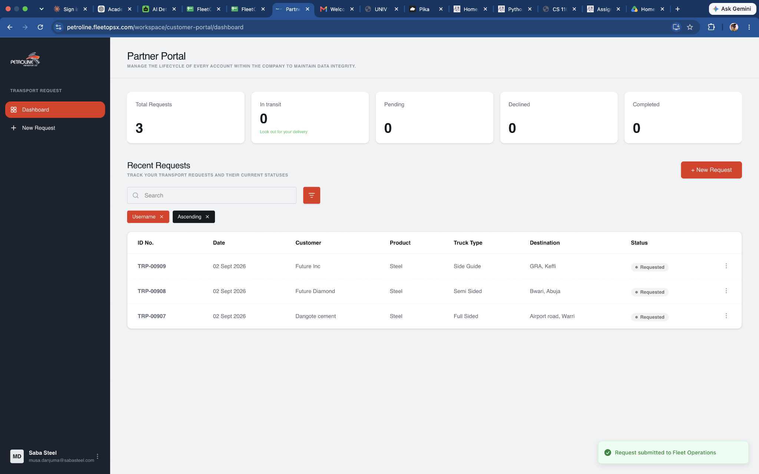 | BUG-004 | Selection of multiple site successful but a single site can be selected multiple times | 2026-09-06
2 | TC-009 | Customer Portal | Others Rule | Select: Others | A custom address field appears immediately. | Select Others but leave the custom address blank. | A custom address field appears immediately. | Pass | High | 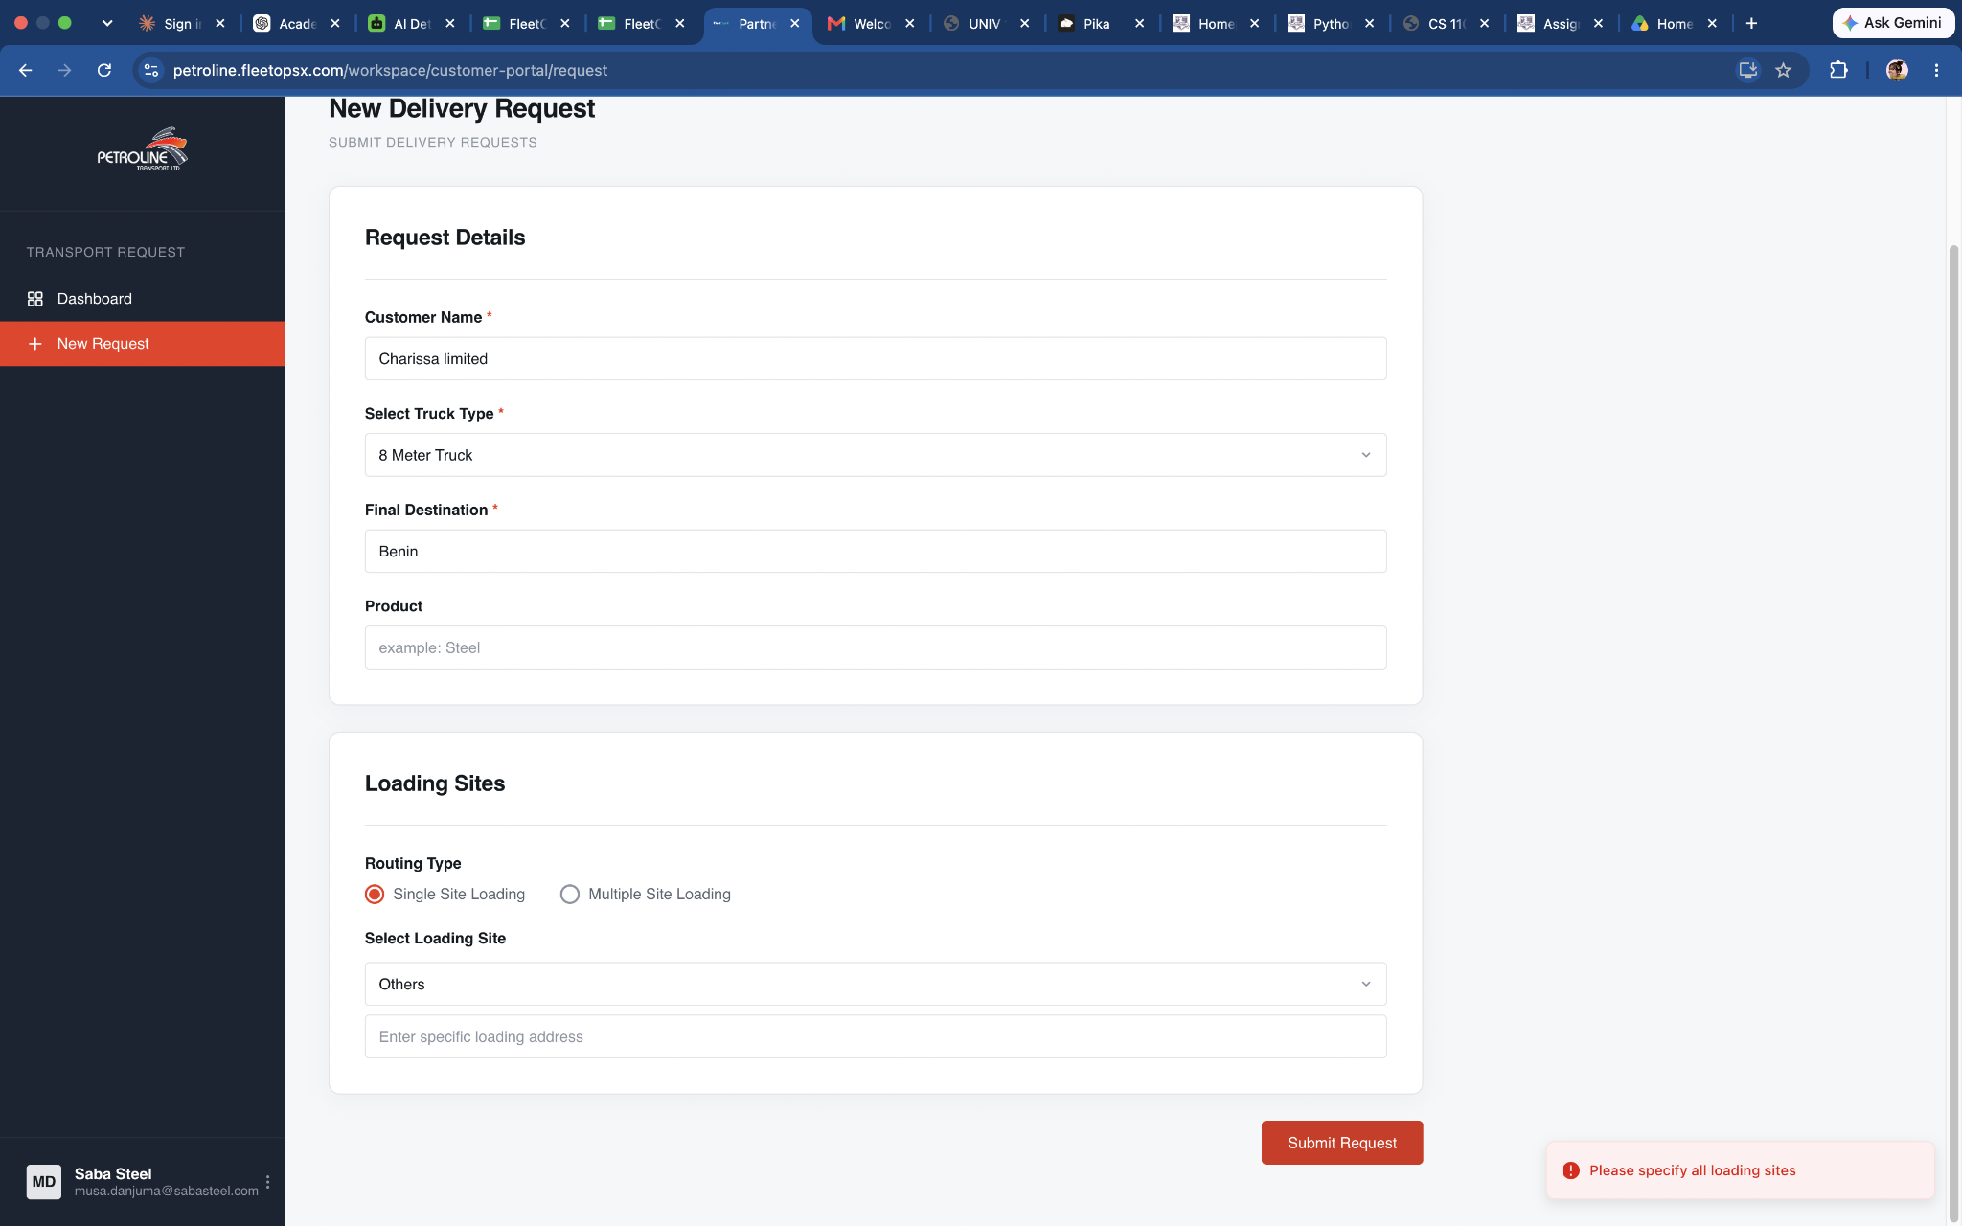 | N/A | Custom field appears and cannot submit leaving it empty | 2026-09-06
2 | TC-010 | Customer Portal | Submit Request | Complete the request and click: Submit Request | One request is created with a unique ticket/request ID | Submit incomplete form. | Valid Submission | Pass | High |  | N/A | Submission successful | 2026-09-06
2 | TC-011 | Customer Portal | Review submission | Click on any of the table and review the selection | Users shoud see everything they filled | Check the multiple sites if users can see it. Click go back to dashboard if they will be taken back to dashboard | All form data filled should show | Fail | Critical | 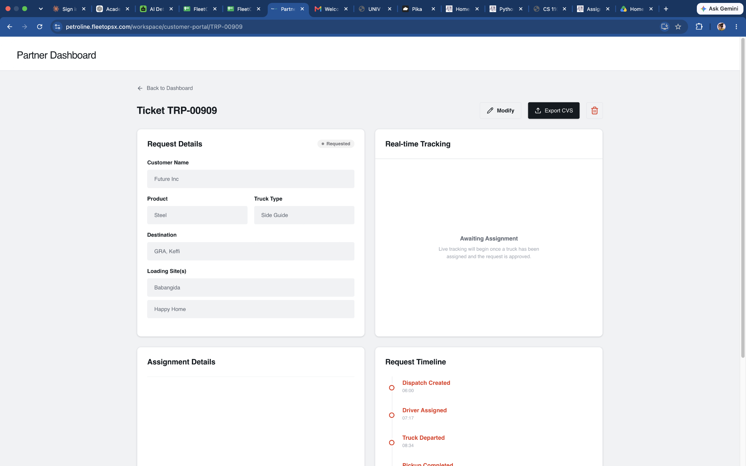 | BUG-005 | Multiple site location does not show the selected sites | 2026-09-06
2 | TC-012 | Customer Portal | Modify selection | Click on the modify selection button and edit | Users should be able to modify their selections and save changes | N/A | Users should be able to modify their selections and save changes | Fail | Critical | 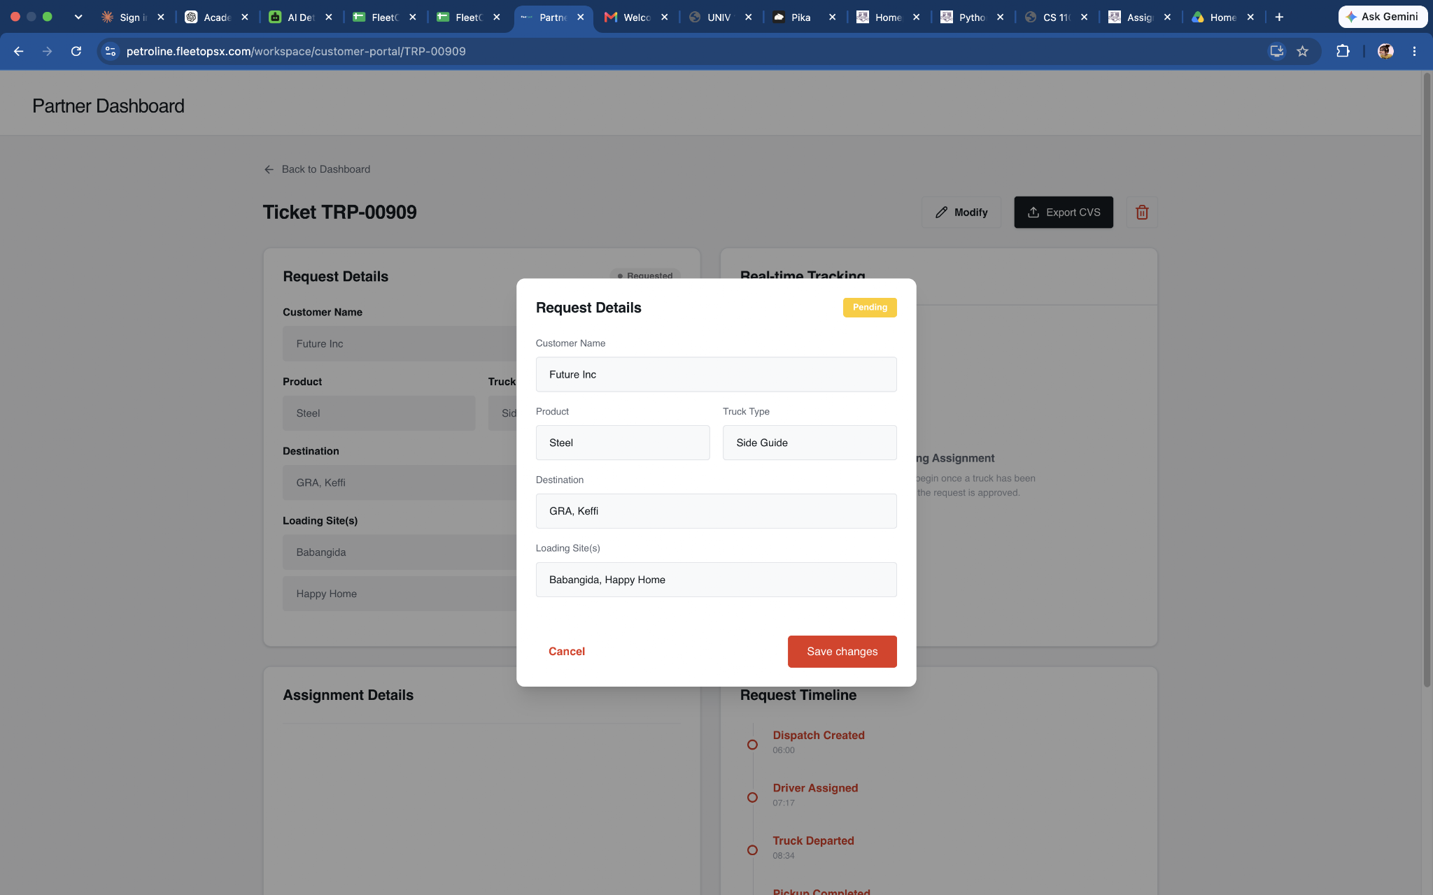 | BUG-006 | Changes save successfully but does not refeclt in the preview | 2026-09-07
2 | TC-013 | Customer Portal | Invalid Login | Enter wrong password | Error displayed | Wrong username/password, empty fields, spaces, very long credentials. | Error displayed | Pass | High | 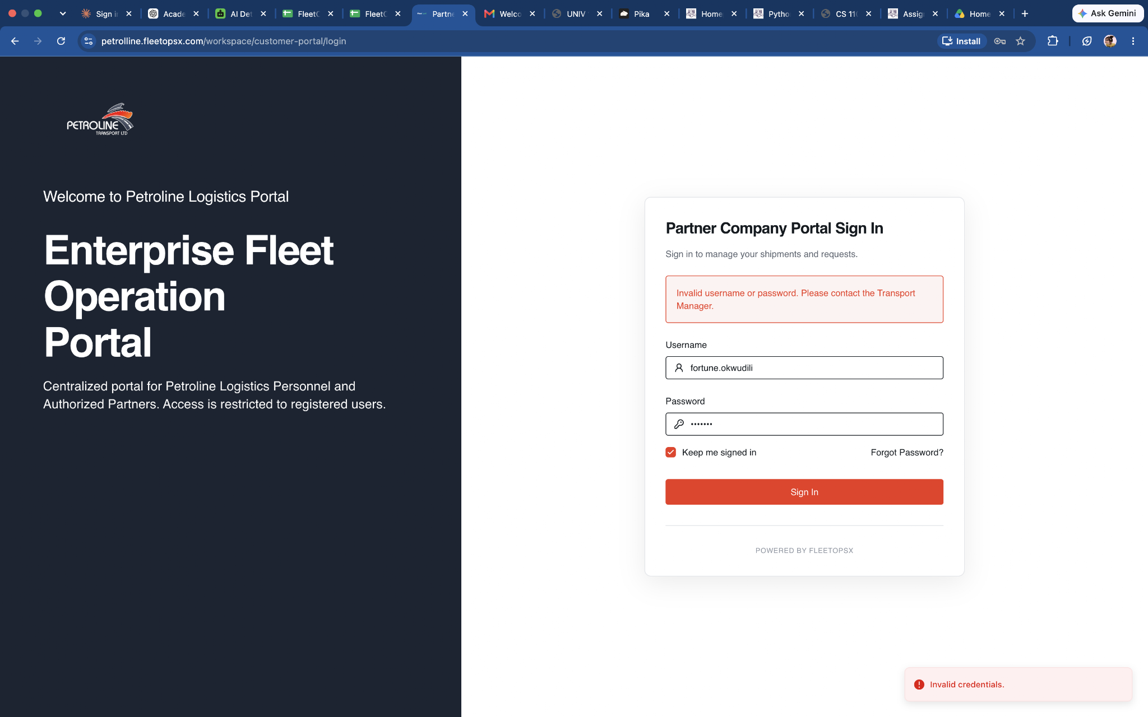 | N/A | Error message was clear and unable to login | 2026-09-07
3 | SA-001 | SuperAdmin | Login | Log in as: Transport Manager / Full Admin | Login Successfully | Wrong username/password, empty fields, spaces, very long credentials. | Login Successfully | Pass | High |  | N/A | Login Successfully | 2026-09-08
4 | SA-002 | SuperAdmin | Login | Invalid password | 1. Enter valid username. 2. Enter incorrect password. 3. Click Sign In. | User remains on login page and receives appropriate error. | Login is rejected | Pass | High |  | N/A | Login was rejected | 2026-09-08
5 | TM-001 | Transport Manager | Login | Valid TM login | Enter valid TM username/password → Sign in | Enter incorrect password | Login details are correct | Pass | High | 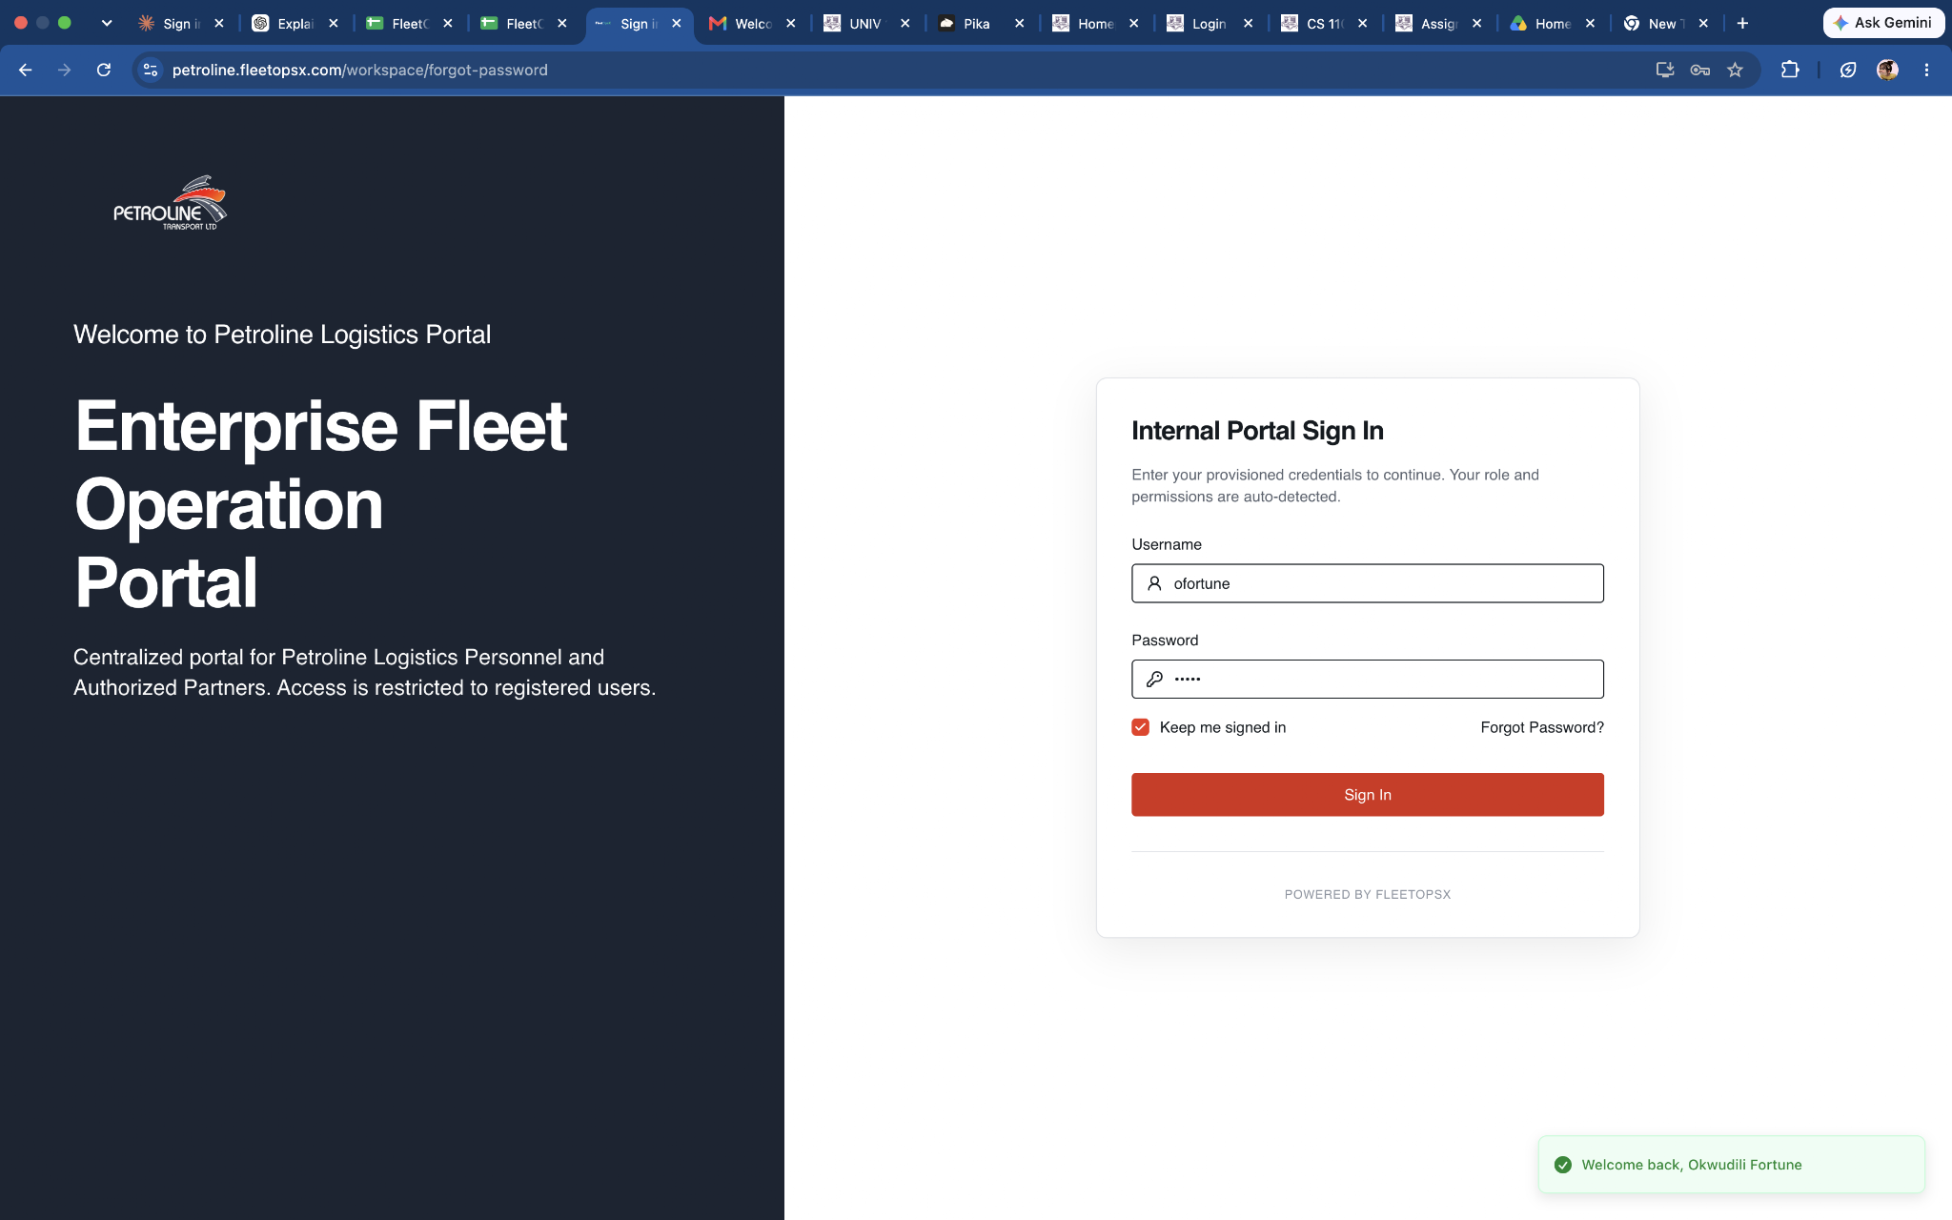 | N/A | Login details are correct | 2026-09-08
5 | TM-002 | Transport Manager | Logo | Click on the logo | Reedirect to Homepage | N/A | Redirect to homepage successfully | Fail | High |  | BUG-008 | Clicking logo does nothing | 2026-09-08
5 | TM-003 | Transport Manager | Set Password | User is prompted to create new password before doing anything | New password is successfully saved. User is allowed to proceed to the dashboard. Temporary password is no longer usable. User can log in using the new password. | Click submit or try to cancel without filling the new password | New password is successfully saved. User is allowed to proceed to the dashboard. Temporary password is no longer usable. User can log in using the new password. | Pass | High | 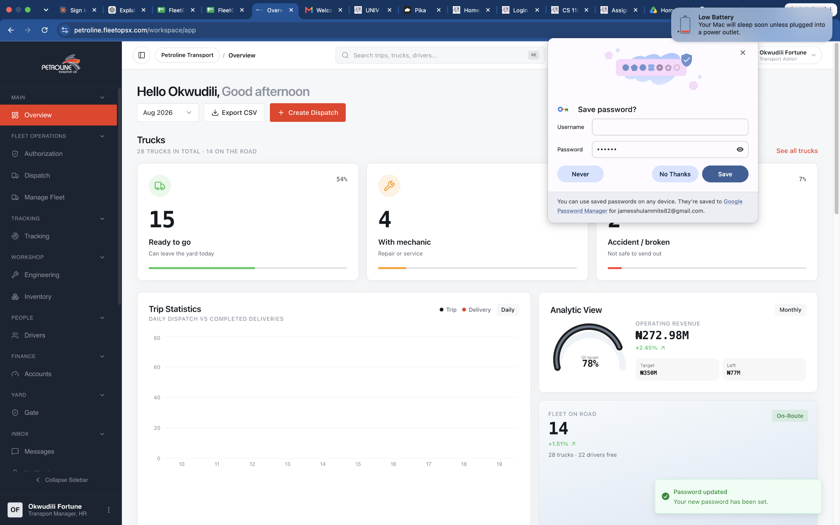 | N/A | User was prompted to change new password | 2026-09-08
5 | TM-004 | Transport Manager | Unauthenticated direct access | 1. Copy a known internal dashboard URL. 2. Open it without logging in. | User is redirected to authentication or denied access. | Attempt direct access repeatedly without authentication. | User is redirected to authentication or denied access. | Fail | Critical |  | BUG-009 | Users was not redirected to authenticated and was given direct access | 2026-09-08
5 | TM-005 | Transport Manager | Executive overview | Open dashboard | TM can view relevant fleet, trips, drivers, maintenance, financial and operational summaries | Attempt to access unavailable/nonexistent dashboard data | TM can view relevant fleet, trips, drivers, maintenance, financial and operational summaries | Pass | Critical | 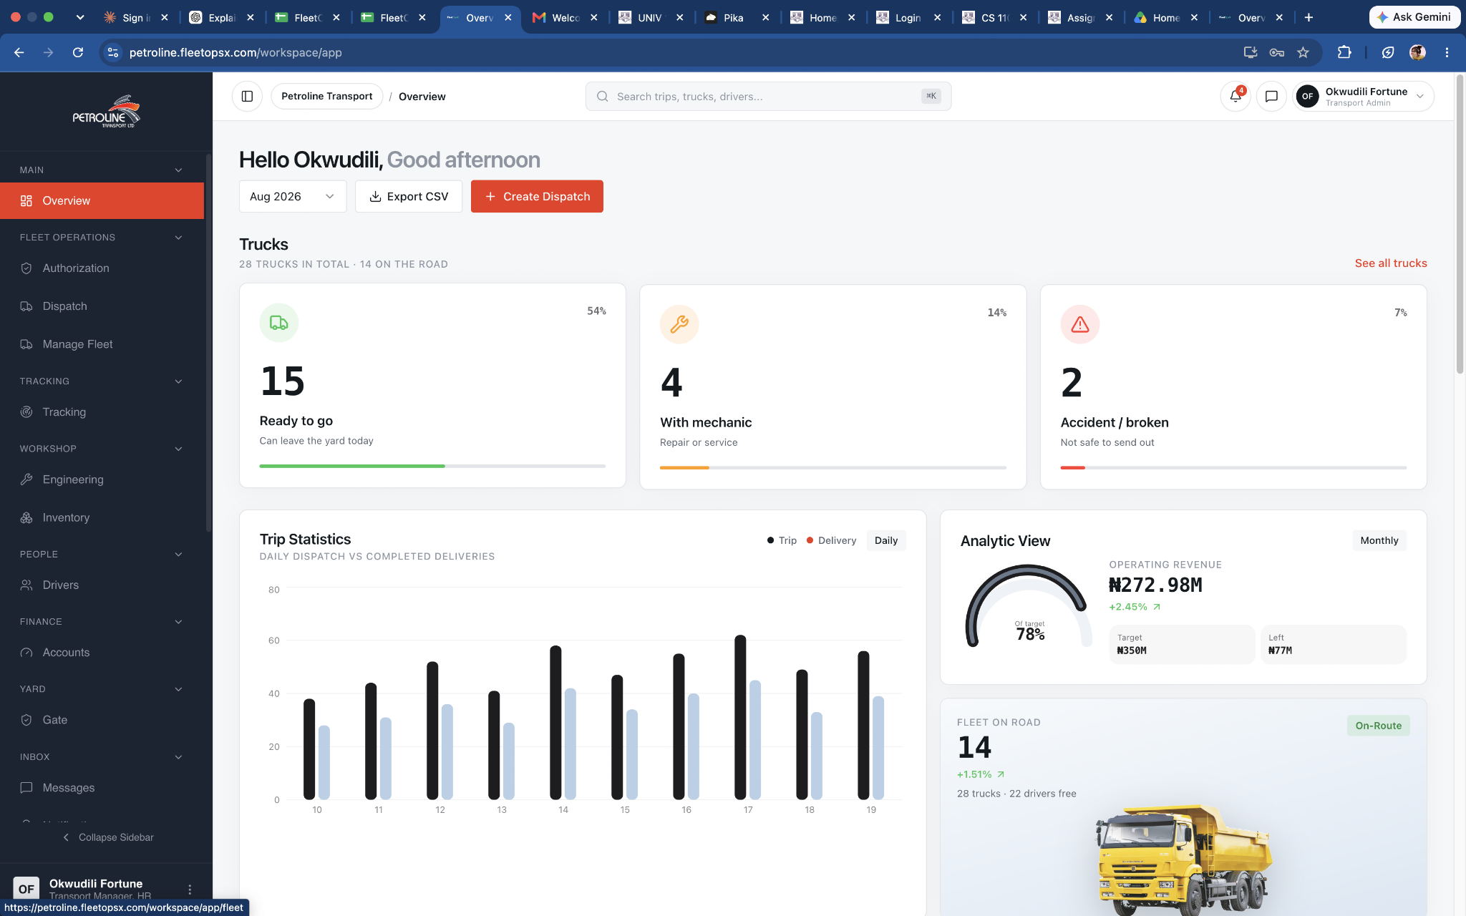 | N/A | TM can view relevant fleet, trips, drivers, maintenance, financial and operational summaries | 2026-09-08
5 | TM-006 | Transport Manager _ Authorization | Authorization | TM can view approval queue | Open Authorization | Try approving a request that is already rejected/completed | Pending requests requiring TM action are displayed | Pass | High | 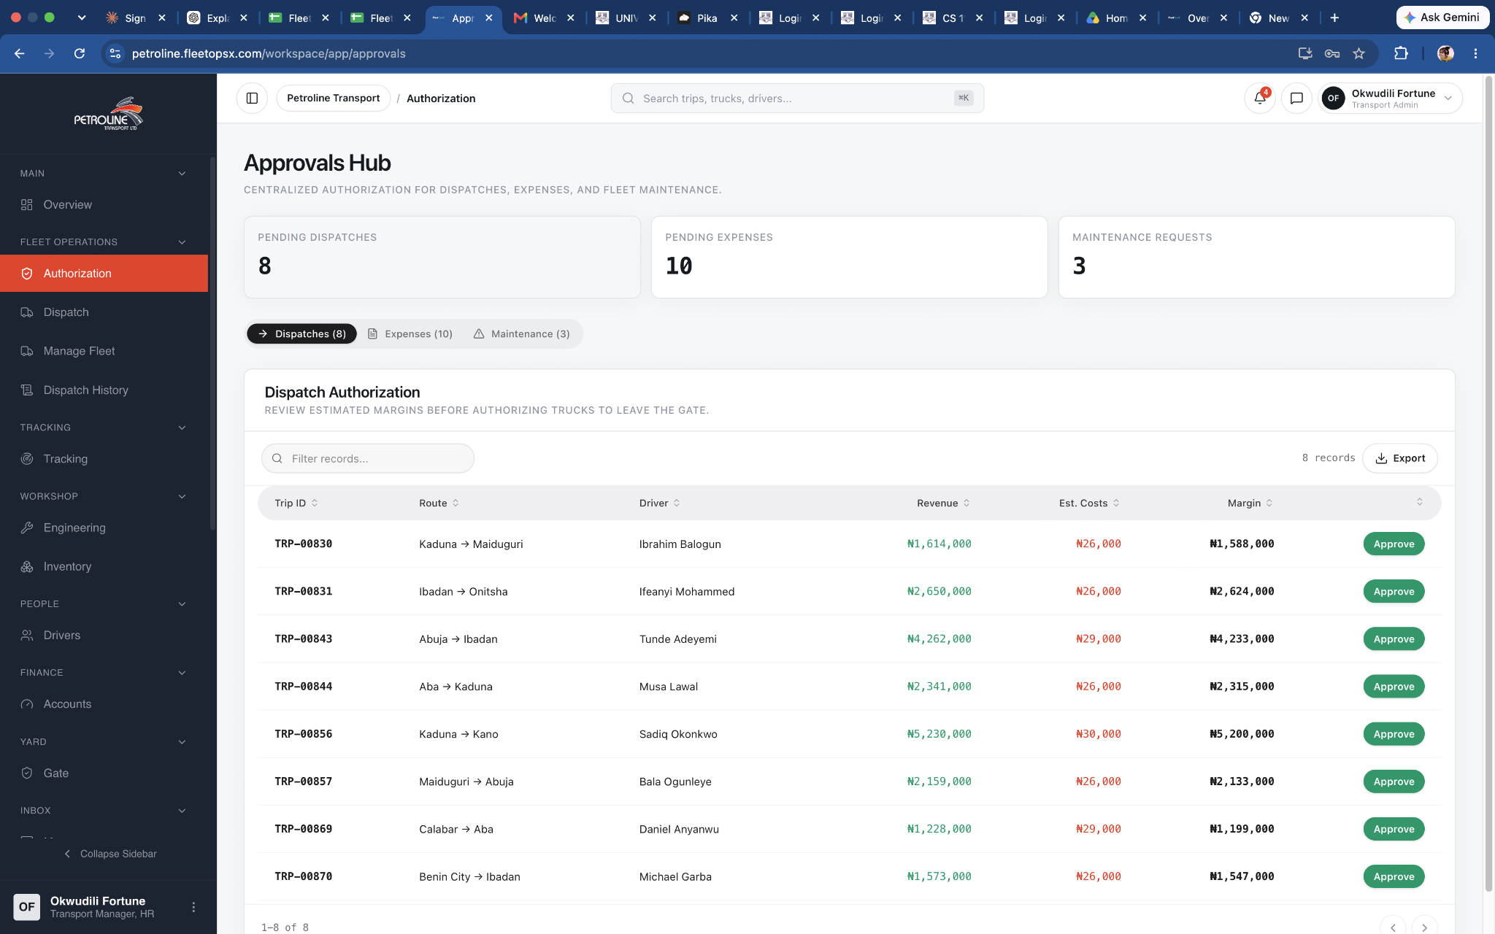 | N/A | Pending requests requiring TM action are displayed | 2026-09-09
5 | TM-007 | Transport Manager _ Authorization | Approve transport request | Open pending request → review → Approve | Request moves to approved status and next workflow is triggered | Click Approve twice rapidly | Request moves to approved status and next workflow is triggered | Pass | Critical | 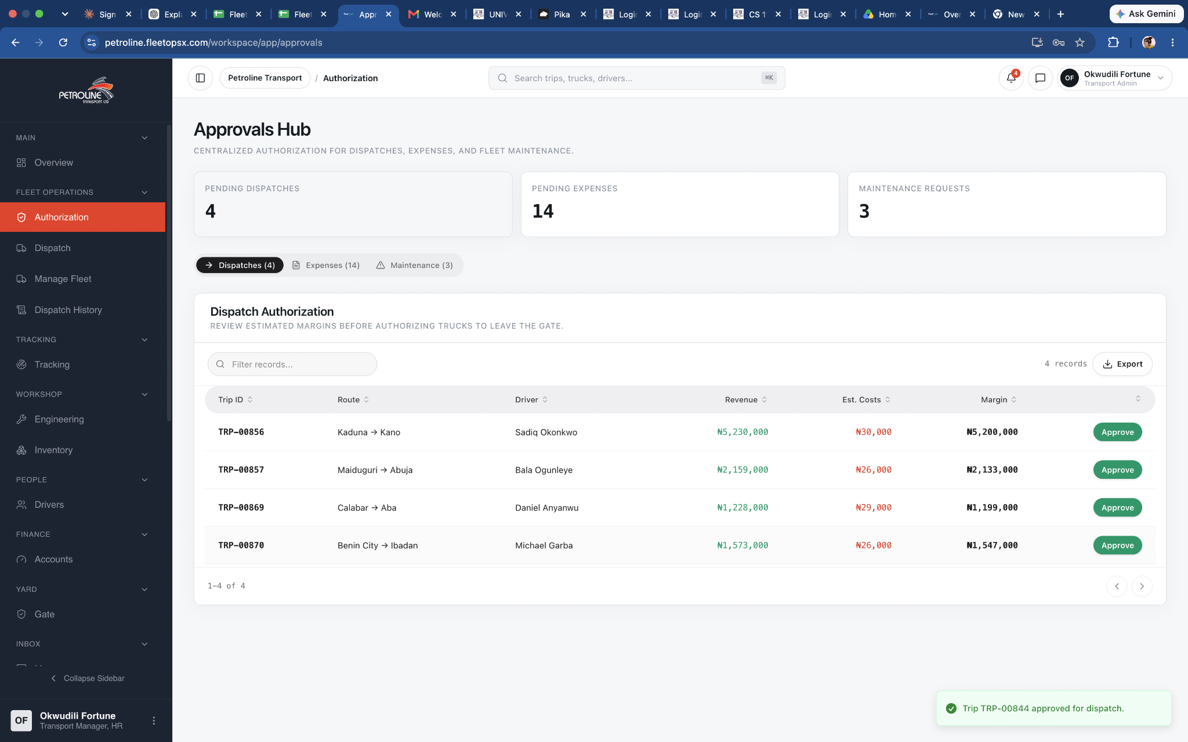 | N/A | Approved status moves to dispatch | 2026-09-09
5 | TM-008 | Transport Manager _ Authorization | Reject transport request | Open pending request → Reject → enter reason | Request becomes rejected and reason is retained | Reject without reason if reason is mandatory | System requires rejection reason | Fail | High | 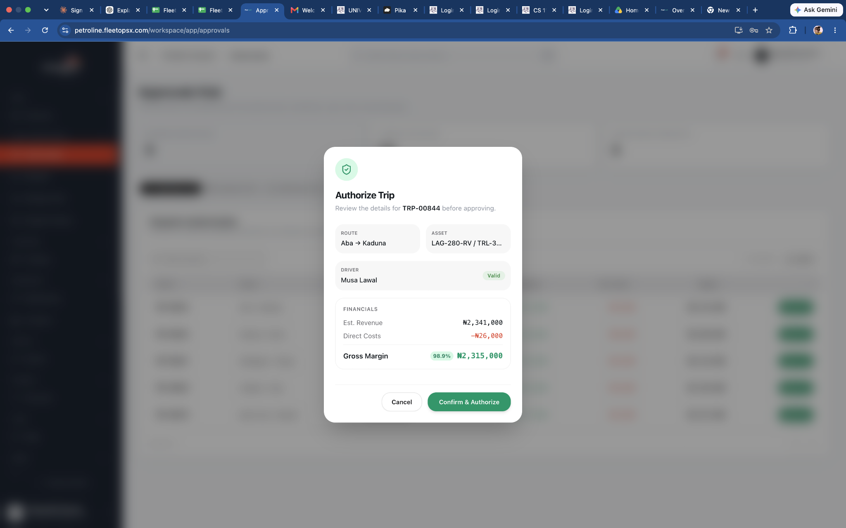 | BUG-010 | No reject button | 2026-09-09
5 | TM-009 | Transport Manager _ Dispatch | Summary cards | Open the page and review Pending Dispatches, Pending Expenses and Maintenance Requests. | Counts match the actual pending records in each category. | Check a pending record and refresh if the count does not update. | Counts match the actual pending records in each category. | Pass | High | 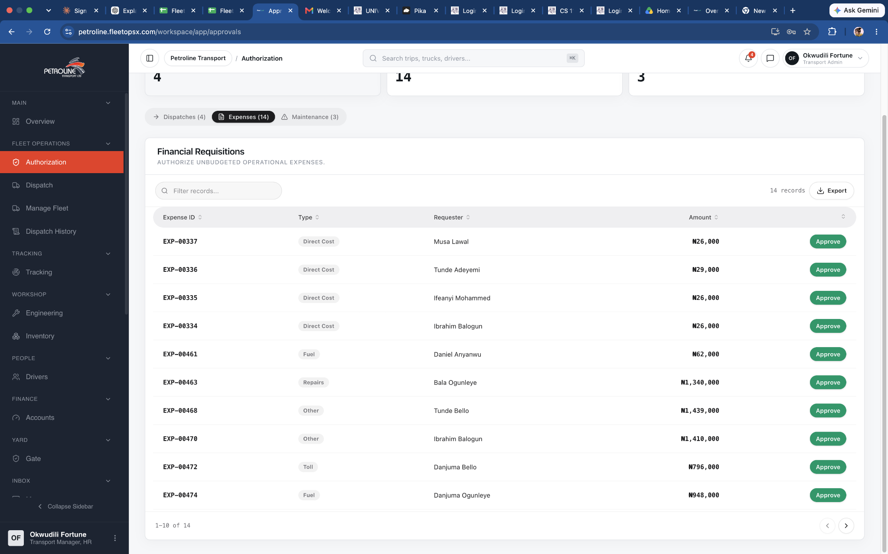 | N/A | Counts match the actual pending records in each category. | 2026-09-09
5 | TM-010 | Transport Manager _ Expenses Tab | Approve valid expense | Open pending expense → review → approve. | Expense status changes to approved and relevant workflow is triggered. | Double-click/rapidly click approval. | Expense status changes to approved and relevant workflow is triggered. | Pass | Critical | 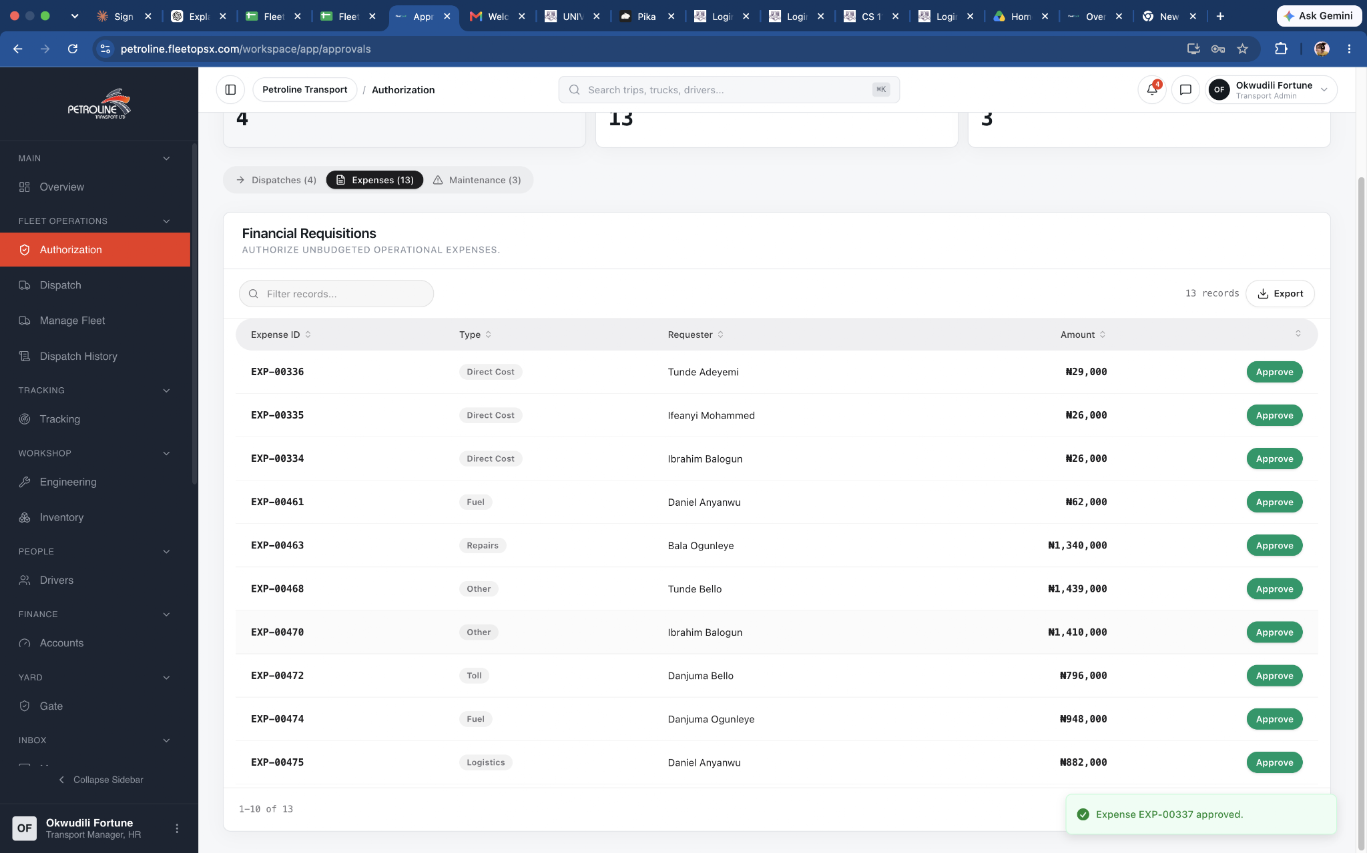 | N/A | Request approved successfully | 2026-09-09
5 | TM-011 | Transport Manager _ Expenses Tab | Reject expense | Open pending expense → reject with reason. | Expense is rejected and reason is retained. | Reject without mandatory reason. | Expense is rejected and reason is retained. | Fail | Critical | 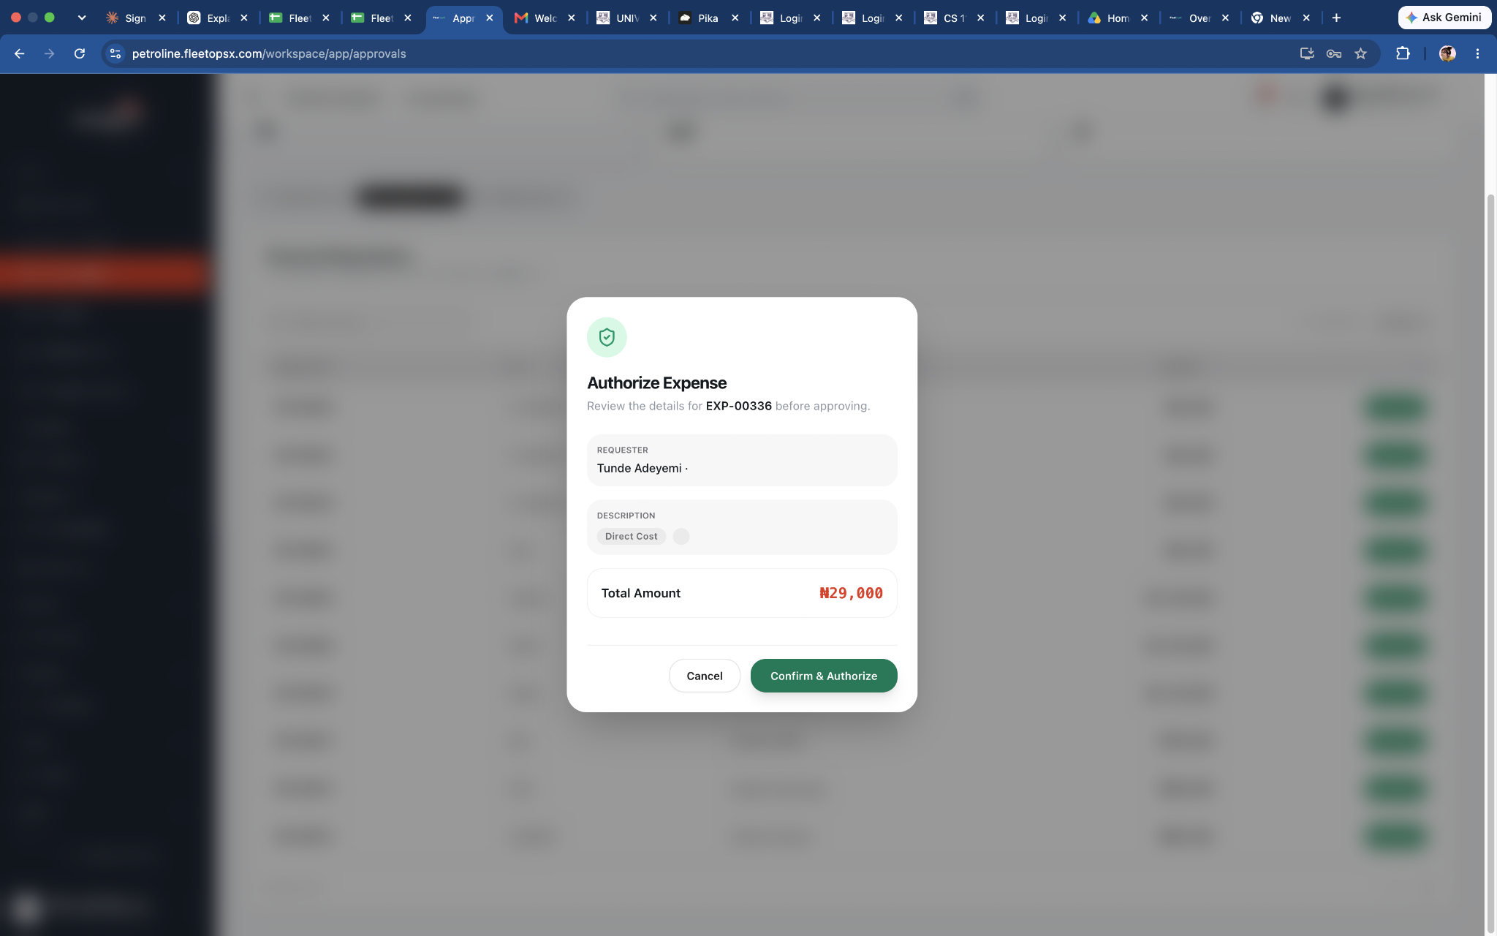 | BUG-011 | No reject button | 2026-09-09
5 | TM-012 | Transport Manager _ Expenses Tab | Duplicate approval | Approve an expense. | It is removed from pending queue. | Refresh/use direct link and try approving again. | No second approval or duplicate financial transaction occurs. | Pass | High |  | N/A | No second approval or duplicate financial transaction occurs. | 2026-09-09
5 | TM-013 | Transport Manager _ Maintenance Tab | Approve maintenance request | Open valid request → review → approve. | Maintenance request moves to the next defined workflow/status. | Click approval repeatedly. | Only one approval is processed. | Pass | High | 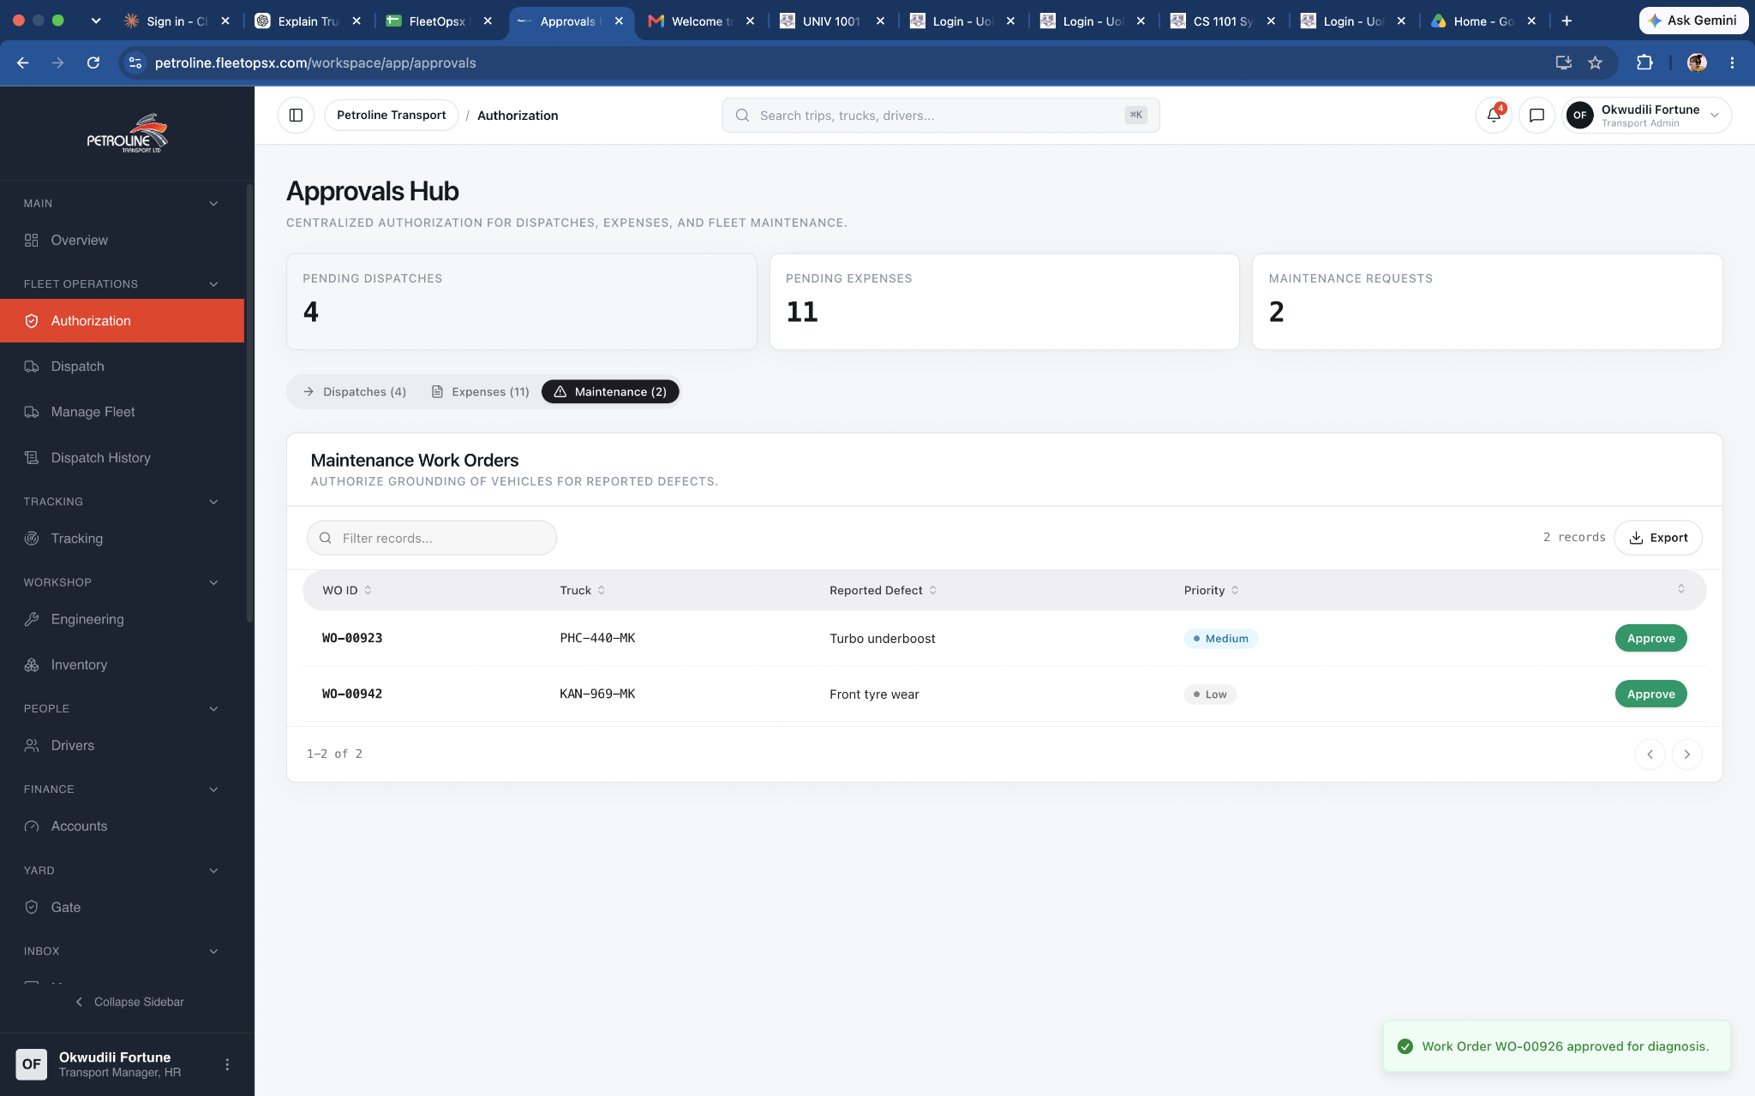 | N/A | Maintenance request approved successfully | 2026-09-09
5 | TM-014 | Transport Manager _Tabs | Switch between approval types | Click Dispatches → Expenses → Maintenance. | Correct records and counts display for each tab. | Rapidly switch tabs multiple times | No records are mixed between tabs and no UI error occurs. | Pass | High |  | N/A | No records are mixed between tabs and no UI error occurs. | 2026-09-09
5 | TM-015 | Transport Manager- Export | Export dispatch records | Open Dispatches → click Export. |  |  |  | Pass | High
 |  |  |  |  |  |  |  | Pass | High
 |  |  |  |  |  |  |  | Pass | High
 |  |  |  |  |  |  |  | Pass | High
 |  |  |  |  |  |  |  | Pass | High
 |  |  |  |  |  |  |  | Pass | High
 |  |  |  |  |  |  |  | Pass | High
 |  |  |  |  |  |  |  | Pass | High
 |  |  |  |  |  |  |  | Pass | High
 |  |  |  |  |  |  |  | Pass | High
 |  |  |  |  |  |  |  | Pass | High
 |  |  |  |  |  |  |  | Pass | High
 |  |  |  |  |  |  |  |  | High
 |  |  |  |  |  |  |  |  | High
 |  |  |  |  |  |  |  |  | High

Evidence Log
Evidence ID | Test ID | Evidence Type | File / Link | What Evidence Shows | Date Captured | Notes
EV-001 | TC-001 | 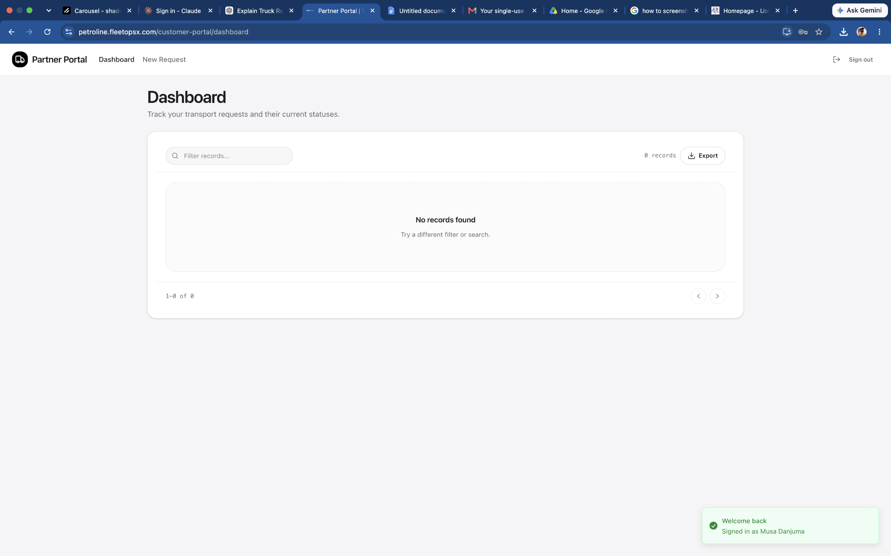 | TC-001_Login.png | Successful customer login | 2026-08-31 | —
EV-002 | TC-002 | 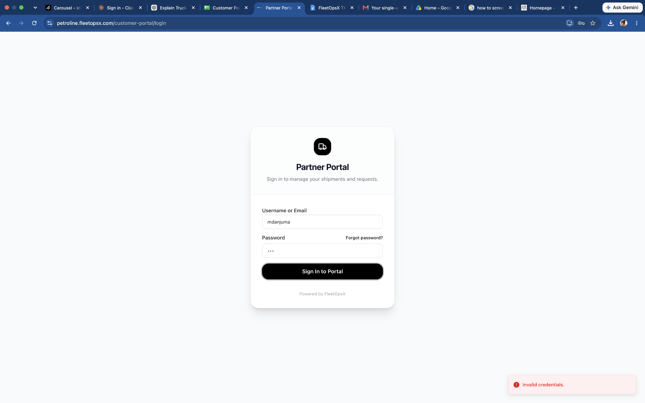 | TC-002_Access_Denied.png | Customer denied internal access | 31/08/2026 | Security test
EV-003 | TC-002 |  | TC-002_Access_Denied.png | Customer denied internal access | 31/08/2026 | Security test
EV-002 | TC-002 |  | TC-002_Access_Denied.png | Customer denied internal access | 31/08/2026 | Security test | EV-002 | TC-002 | TC-002_Access_Denied.png | Customer denied internal access | 31/08/2026 | Security test | EV-002 | TC-002 | TC-002_Access_Denied.png | Customer denied internal access | 31/08/2026 | Security test

